ADIDAS BALENCIAGA
ADIDAS BALENCIAGA
PHOTOS | REF | DESCR | COLOR | MADE IN | GENDER | SEASON | SIZE UK | QTY | RETAIL | TOTAL | SKU
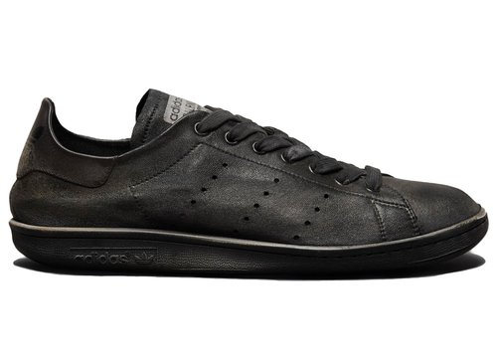 | HP6779 | STAN SMITH CBLACK/CBLACK/WHITE | BLACK | ITALY | UNISEX | 24F | 5 | 18 | 750.00 € | 13,500.00 € | HP67795
 |  |  |  |  |  |  | 6 | 16 | 750.00 € | 12,000.00 € | HP67796
 |  |  |  |  |  |  | 7 | 22 | 750.00 € | 16,500.00 € | HP67797
 |  |  |  |  |  |  | 8 | 30 | 750.00 € | 22,500.00 € | HP67798
 |  |  |  |  |  |  | 9 | 33 | 750.00 € | 24,750.00 € | HP67799
 |  |  |  |  |  |  | 10 | 8 | 750.00 € | 6,000.00 € | HP677910
 |  |  |  |  |  |  | 11 | 27 | 750.00 € | 20,250.00 € | HP677911
 |  |  |  |  |  |  | 13 | 4 | 750.00 € | 3,000.00 € | HP677913
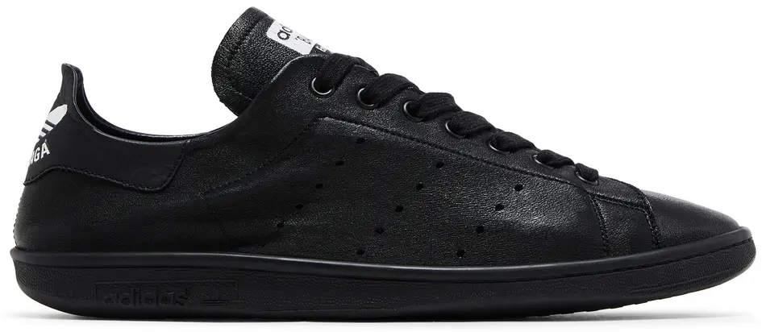 | HP6780 | STAN SMITH CBLACK/CBLACK/CBLACK | BLACK | ITALY | UNISEX | 24F | 5 | 6 | 695.00 € | 4,170.00 € | HP67805
 |  |  |  |  |  |  | 6 | 20 | 695.00 € | 13,900.00 € | HP67806
 |  |  |  |  |  |  | 7 | 15 | 695.00 € | 10,425.00 € | HP67807
 |  |  |  |  |  |  | 8 | 7 | 695.00 € | 4,865.00 € | HP67808
 |  |  |  |  |  |  | 9 | 12 | 695.00 € | 8,340.00 € | HP67809
 |  |  |  |  |  |  | 10 | 1 | 695.00 € | 695.00 € | HP678010
 |  |  |  |  |  |  | 11 | 5 | 695.00 € | 3,475.00 € | HP678011
 |  |  |  |  |  |  | 12 | 3 | 695.00 € | 2,085.00 € | HP678012
 | ID7564 | STAN SMITH CWHITE/CWHITE/GREEN | WHITE | ITALY | UNISEX | 24F | 5 | 42 | 650.00 € | 27,300.00 € | ID75645
 |  |  |  |  |  |  | 6 | 88 | 650.00 € | 57,200.00 € | ID75646
 |  |  |  |  |  |  | 7 | 134 | 650.00 € | 87,100.00 € | ID75647
 |  |  |  |  |  |  | 8 | 129 | 650.00 € | 83,850.00 € | ID75648
 |  |  |  |  |  |  | 9 | 110 | 650.00 € | 71,500.00 € | ID75649
 |  |  |  |  |  |  | 10 | 56 | 650.00 € | 36,400.00 € | ID756410
 |  |  |  |  |  |  | 11 | 47 | 650.00 € | 30,550.00 € | ID756411
 |  |  |  |  |  |  | 12 | 13 | 650.00 € | 8,450.00 € | ID756412
 |  |  |  |  |  |  | 13 | 3 | 650.00 € | 1,950.00 € | ID756413
 | ID7566 | STAN SMITH W CWHITE/CWHITE/PINGLO | WHITE | ITALY | FEMALE | 24F | 2 | 32 | 650.00 € | 20,800.00 € | ID75662
 |  |  |  |  |  |  | 3 | 103 | 650.00 € | 66,950.00 € | ID75663
 |  |  |  |  |  |  | 4 | 135 | 650.00 € | 87,750.00 € | ID75664
 |  |  |  |  |  |  | 5 | 109 | 650.00 € | 70,850.00 € | ID75665
 |  |  |  |  |  |  | 6 | 34 | 650.00 € | 22,100.00 € | ID75666
 |  |  |  |  |  |  | 7 | 1 | 650.00 € | 650.00 € | ID75667
 | ID7567 | STAN SMITH W CWHITE/CWHITE/GREEN | WHITE | ITALY | FEMALE | 24F | 2 | 72 | 650.00 € | 46,800.00 € | ID75672
 |  |  |  |  |  |  | 3 | 138 | 650.00 € | 89,700.00 € | ID75673
 |  |  |  |  |  |  | 4 | 284 | 650.00 € | 184,600.00 € | ID75674
 |  |  |  |  |  |  | 5 | 354 | 650.00 € | 230,100.00 € | ID75675
 |  |  |  |  |  |  | 8 | 21 | 650.00 € | 13,650.00 € | ID75678
 |  |  |  |  |  |  | 9 | 12 | 650.00 € | 7,800.00 € | ID75679
 | IE4549 | STAN SMITH W CWHITE/CWHITE/CBLACK | WHITE | ITALY | FEMALE | 24F | 3 | 4 | 650.00 € | 2,600.00 € | IE45493
 |  |  |  |  |  |  | 4 | 4 | 650.00 € | 2,600.00 € | IE45494
 |  |  |  |  |  |  | 5 | 4 | 650.00 € | 2,600.00 € | IE45495
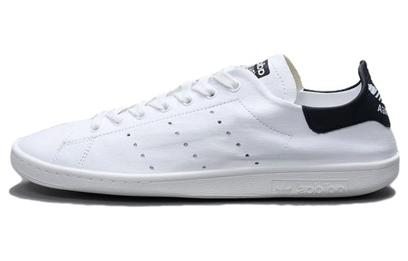 | IF0373 | STAN SMITH CWHITE/CWHITE/CBLACK | WHITE | ITALY | UNISEX | 24F | 8 | 6 | 650.00 € | 3,900.00 € | IF03738
 | IF0374 | STAN SMITH W CWHITE/CWHITE/CBLACK | WHITE | ITALY | FEMALE | 24F | 2 | 4 | 650.00 € | 2,600.00 € | IF03742
 |  |  |  |  |  |  | 3 | 3 | 650.00 € | 1,950.00 € | IF03743
 |  |  |  |  |  |  | 4 | 9 | 650.00 € | 5,850.00 € | IF03744
 | IG9945 | STAN SMITH W CBLACK/CBLACK/WHITE | BLACK | ITALY | FEMALE | 24F | 3 | 6 | 750.00 € | 4,500.00 € | IG99453
 |  |  |  |  |  |  | 4 | 13 | 750.00 € | 9,750.00 € | IG99454
 |  |  |  |  |  |  | 5 | 10 | 750.00 € | 7,500.00 € | IG99455
 |  |  |  |  |  |  | 6 | 20 | 750.00 € | 15,000.00 € | IG99456
 |  |  |  |  |  |  | 8 | 10 | 750.00 € | 7,500.00 € | IG99458
 |  |  |  |  |  |  | 9 | 10 | 750.00 € | 7,500.00 € | IG99459
 | IG9949 | STAN SMITH W CBLACK/CBLACK/CBLACK | BLACK | ITALY | FEMALE | 24F | 2 | 4 | 650.00 € | 2,600.00 € | IG99492
 |  |  |  |  |  |  | 3 | 24 | 650.00 € | 15,600.00 € | IG99493
 |  |  |  |  |  |  | 4 | 54 | 650.00 € | 35,100.00 € | IG99494
 |  |  |  |  |  |  | 5 | 69 | 650.00 € | 44,850.00 € | IG99495
 |  |  |  |  |  |  | 6 | 35 | 650.00 € | 22,750.00 € | IG99496
 |  |  |  |  |  |  | 7 | 19 | 650.00 € | 12,350.00 € | IG99497
 |  |  |  |  |  |  | 8 | 18 | 650.00 € | 11,700.00 € | IG99498
 |  |  |  |  |  |  | 9 | 16 | 650.00 € | 10,400.00 € | IG99499
TOTAL ADIDAS BALENCIAGA |  |  |  |  |  |  |  | 2,486 | 660.38 € | 1,641,705.00 €

